LTP Parameters
LOAD TRANSFER PLATFORM (LTP) — DESIGN PARAMETERS
Jazera Royal Palace 110/13.8 kV S/S — Kingdom of Saudi Arabia
Document: | FMSA 24047-FTR-CMC-00, Rev. 0
Title: | Soil Improvement CMC — Final Technical Report
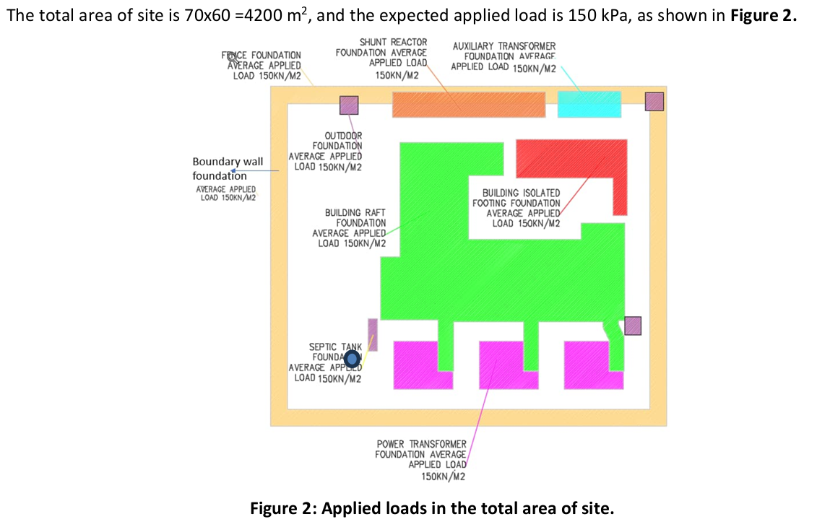
Date: | 17 March 2025
Prepared by: | Menard / Freyssinet Menard Saudi Arabia

1. Geotechnical Design Parameters (Layer 1 — LTP)
Symbol | Parameter | Value | Unit
E_Y | Young's modulus (deformation modulus) | 60,000 | kPa
γ | Unit weight | 16 | kN/m³
c' | Effective cohesion | 0 | kPa
φ' | Effective friction angle | 38 | °
υ | Poisson's ratio | 0.3 | –

2. Material & Acceptance Specification
Item | Requirement
Material type | Well-compacted granular fill (good quality)
Compaction acceptance (stiffness) | E_Y > 65 MPa (plate load test modulus)
Design modulus used (E_Y) | 60,000 kPa (60 MPa)
Responsibility | LTP works executed by Main Contractor (not by Menard)
Function | Spread structural load to CMC network; produce global elastic behavior of soil/inclusion/LTP
Acceptance testing | Plate Load Test (PLT) & Zone Load Test (ZLT)

3. Implied LTP Thickness by Structure (derived from project levels, §4.1)
Structure | Bottom of Foundation (m RL) | CMC Cut-off Level (m RL) | Implied LTP Thickness (m)
Boundary Wall | 6.55 | 6.25 | 0.30
Building Foundation & TR Tunnels | 6.85 | 6.25 | 0.60
Power Transformer Foundation | 7.25 | 6.25 | 1.00
Outdoor Equipment Foundation | 7.75 | 6.25 | 1.50
Auxiliary Tr Foundation | 8.00 | 6.25 | 1.75
Shunt Reactor Foundation | 8.00 | 6.25 | 1.75

4. Approximate Structure Coordinates
Structure | Easting (m) | Northing (m)
Boundary Wall Foundation (perimeter) | 502,979.205 | 2,443,929.844
Building Raft Foundation | 502,983.284 | 2,443,931.375
Building Isolated Footing Foundation | 502,987.573 | 2,443,953.656
Power Transformer Foundation #1 (west) | 502,981.315 | 2,443,908.463
Power Transformer Foundation #2 (centre) | 502,994.417 | 2,443,915.971
Power Transformer Foundation #3 (east) | 503,007.468 | 2,443,923.565
Shunt Reactor Foundation | 502,965.830 | 2,443,953.183
Auxiliary Transformer Foundation | 502,984.447 | 2,443,963.736
Outdoor Foundation - NW pillar | 502,947.499 | 2,443,942.332
Outdoor Foundation - NE pillar | 502,994.090 | 2,443,969.838
Outdoor Foundation - mid-W pillar | 502,971.354 | 2,443,909.555
Outdoor Foundation - mid-E pillar | 503,010.569 | 2,443,933.641
Septic Tank Foundation (visual estimate) | 502,968.813 | 2,443,907.753

